ART
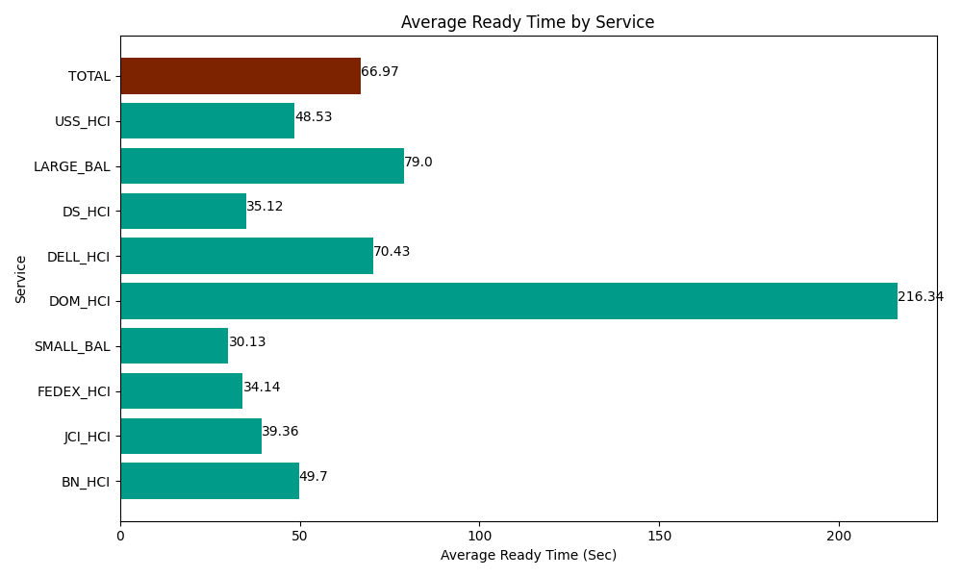
Date | Service | Successful Op Transfer | In Call (Sec) | Ready (Sec) | Wrapup (Sec) | Not Ready (Sec) | Average Ready Time (Sec)
04-09-2024 | BN_HCI | 831 | 55978.798828 | 41296.801758 | 105310.80322 | 50660.998535 | 49.7
04-09-2024 | JCI_HCI | 520 | 49870.198975 | 20468.999634 | 65356.801758 | 8576.9998169 | 39.36
04-09-2024 | FEDEX_HCI | 43 | 4425 | 1468.1999588 | 3204.0000916 | 1249.1999817 | 34.14
04-09-2024 | SMALL_BAL | 59 | 2938.7999725 | 1777.7999496 | 4258.2000732 | 460.20000458 | 30.13
04-09-2024 | DOM_HCI | 30 | 2098.2000732 | 6490.1998901 | 2887.8000641 | 154.79999542 | 216.34
04-09-2024 | DELL_HCI | 85 | 6155.9999084 | 5986.1997986 | 23633.999634 | 9216.0003662 | 70.43
04-09-2024 | DS_HCI | 754 | 52317.000732 | 26483.999634 | 77171.99707 | 80449.196777 | 35.12
04-09-2024 | LARGE_BAL | 3 | 241.19999886 | 237.00000286 | 241.19999886 | 16.200000644 | 79
04-09-2024 | USS_HCI | 17 | 2380.1998901 | 825 | 2045.9999084 | 556.20002747 | 48.53
 | TOTAL | 2342 | 176405.39838 | 105034.20063 | 284110.80182 | 151339.79551 | 66.97

